Mounting Meeting 11-23-16
Agenda: | Mounting Styles:
Select mounting style standard | DPT: Coplanar (traditional)
Select all bracket options for each transmitter model in tool | TT: "Field Mount" | 430 vs 530
Select standard valve manifold for each pressure transmitter type | PT: Coplanar and In-line | What is the price difference? |  |  | ~$500 (See quotes)

 |  | 530 | 67-2135 | EJA530A-EBS4N-02EF/KU2/D4 | $1,137.00 | 2009
Questions to answer: | PT Brackets: | 430 | 93-572 | EJA430A-EAS4A-82EB/KF2/D4/N4 | $1,597.00 | 2009
Do we want there to be an option for vertical impulse piping? (pic in tool help) | 530 - Only options are 2 inch pipe bracket and none. |  |  |  | $460.00
Do we want there to be and option for pipe mounting brackets on 110, 430, and YTA610 models? | 430 - L type, flat type and none.
What do we want the standard process connections to be? |  | Can we create our own, without cutting the brackets? -ie Chris Reichert's method
 | DPT brackets: Same as 430
 |  | Valve Manifolds:
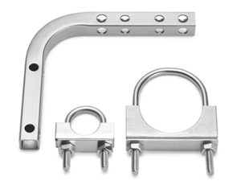
 | For 430 and 110 models, we can mount directly to the guage board. | M251VIS/4M/ATCH |  | $250.00
 |  | M6TVIS-4-T-SSC-ATCH |  | $390.00

 | Valve Manifolds:
 | Can we use 24-502 as standard for 530 PT's?
 | What do we want to use as standard for the coplanar pressure xmitters?
 | (Anderson Greenwood, Swagelok, Parker…)

Source: Rosemount

https://www.mcmaster.com/#3042t94/=15jww8c

PT Help
 | Model | Currently the EJA-E models are the only Yokogawa models selected by this tool for Gauge Pressure Transmitter. The EJA-A models are being discontinued by Yokogawa. The EJX-A models are more costly and have few advantages over the EJA-E models except in applications requireing high accuracy. See Yokogawa specification sheets for more information.
 | Mount | 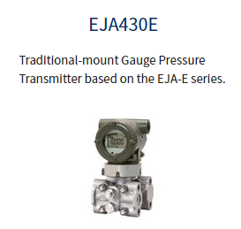 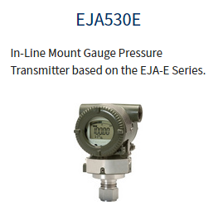 The 430 model has a coplanar or 'traditional' mounting style. (See left picture). This mounting style is convienient because it can be mounted directly to a gauge board. However the 430 model is more expensive and requires a more expensive valve manifold. The 530 model is mounted 'in-line'. (See right picture). This model is simpler and less costly than the 430 model and should be used whenever possible.

OPTION NUMBER | OPTION NAME | NOTES:
1 | Output Signal | The output signal will almost always be 4-20 mA w/ HART for Core lane orders. Complex orders often require Foundation Feildbus digital ouput.
2 | Measurement Span Limits | Capsule choices vary by model. Make sure that instrument's calibrated range is within the selected span limits.
3 | Wetted Parts Material | NACE compliant 316SST is Sundyne standard. Other selections for this option have not been included in the tool. See the Yokogawa specifications sheet for additional selections and more information.
4 | Process Connections | 1/2" NPT female is Sundyne standard. For EJA530E (in-line mounting, standard) model, 1/2" NPT male is availible as an option. For EJA430 (coplanar mounting) model, the second option is an open flange face with a 1/4" female NPT entry on flange face. See the Yokogawa specifications sheet for additional options and more information. | Still undecided until selection of mouning standard.
5 | Bolts and Nuts Material | Stainless steel selection is Sundyne standard. This option only applies to the EJA430E (coplanar) model. The EJA530E (in-line) model does not have bolts. See the Yokogawa specifications sheet for additional selections and more information.
6 | Installation | 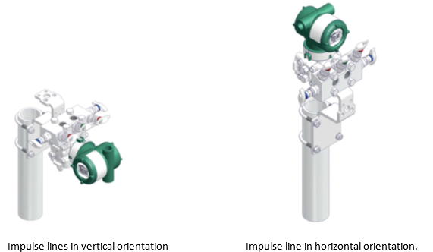 This option only applies to the EJA430E model. Horizontal impulse piping option means thatthe process connection enters the transmitter in the horizontal direction (rather than vertical). This is Sundyne standard.
7 | Amplifier Housing | Painted cast aluminum is Sundyne standard for transmitter body. A SST housing can be chosen as an 'Non-Standard Option' in the checkbox area. The SST Amplifier Housing option automatically includes 'SST Exterior Parts' option.
8 | Electrical Connection | Sundyne standard is 1/2" NPT female w/ a blind plug. Plug is aluminum. M20 connection type also availible. See the Yokogawa specifications sheet for additional selections and more information. | Does HC option include SST blind plug?? Likewise can it be used with electrical connection number 7?
9 | Integral Indicator | A digital indicator is standard when the transmitter is to be mounted to a gauge board. Range setting switch (selection 'E') allows configuration of transmitter through push button on display and zero screw located side of transmitter. Selection 'D' requires HART communicator for transmitter configuration.
10 | Mounting Bracket | TBD
11 | Hazardous Area Cert | There is no Sundyne standard certification type. The Hazardous Area cetification type depends on the specifications/destination of the product. User must select a cert type for all transmitter orders.
12 | Calibration Units | PSI is standard. Transmitter display units can be changed without changing calibration units.
13 | Material Cert | Material cert is preselected as Sundyne standard to be included on all transmitter orders.
14 | 316 Exterior Parts | Screws and Set screw will be 316 or 316L. This option is automatically included if 'SST Amplifier Housing' is selected.
15 | SST Amplifier Housing | This option is the same as the SST selection in option 7.
16 | Lightning Protection | Used only if required by specifications.
17 | Pressure Test | Used only if required by specifications. NOTE: There is a different pressure test code for each selection of option 2 (measurement span limits). If the transmitter requires pressure testing, the user must manually edit the Item Master text to match the correct code from the Yokogawa transmitter specification sheet.
18 | SPECIAL PAINT | This option puts a note into the Item Master text that Yokogawa should not paint the transmitter. Use only if the Transmitters are to be painted at Sundyne in accordance with a customer paint spec. A paint matrix will be required. See the Yokogawa specifications sheet for additional paint options and more information.

 | Valve Manifolds | TBD (PICTURES)

 |  | Option vs Sleection (not 'choice')

